Sankey Diagram sheet
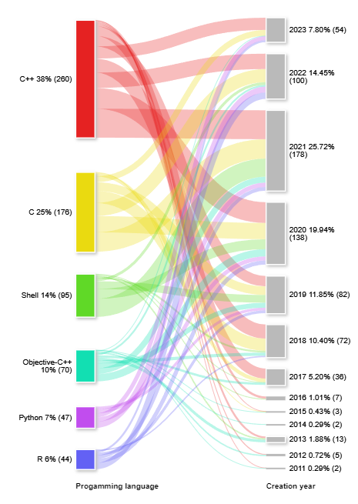
Language | Year | Count |  |  | Progamming language | Creation year | Repository Count
C++ | 2011 | 1 | Language | Count | C++ | 2011 | 1
C++ | 2012 | 2 | C++ | 260 | C++ | 2012 | 2 | Created with ChartExpo tool
C++ | 2013 | 4 | C | 176 | C++ | 2013 | 4
C++ | 2014 | 0 | Shell | 95 | C++ | 2014 | 0
C++ | 2015 | 1 | Objective-C++ | 70 | C++ | 2015 | 1
C++ | 2016 | 5 | Python | 47 | C++ | 2016 | 5
C++ | 2017 | 22 | R | 44 | C++ | 2017 | 22
C++ | 2018 | 31 | Rust | 30 | C++ | 2018 | 31
C++ | 2019 | 23 | Objective-C | 25 | C++ | 2019 | 23
C++ | 2020 | 46 | JavaScript | 17 | C++ | 2020 | 46
C++ | 2021 | 64 | Java | 8 | C++ | 2021 | 64
C++ | 2022 | 34 |  |  | C++ | 2022 | 34
C++ | 2023 | 27 |  |  | C++ | 2023 | 27
Python | 2011 | 0 |  |  | C | 2011 | 0
Python | 2012 | 0 |  |  | C | 2012 | 0
Python | 2013 | 0 |  |  | C | 2013 | 0
Python | 2014 | 0 |  |  | C | 2014 | 0
Python | 2015 | 0 |  |  | C | 2015 | 1
Python | 2016 | 0 |  |  | C | 2016 | 0
Python | 2017 | 0 |  |  | C | 2017 | 8
Python | 2018 | 0 |  |  | C | 2018 | 27
Python | 2019 | 6 |  |  | C | 2019 | 19
Python | 2020 | 9 |  |  | C | 2020 | 36
Python | 2021 | 10 |  |  | C | 2021 | 43
Python | 2022 | 13 |  |  | C | 2022 | 29
Python | 2023 | 9 |  |  | C | 2023 | 13
Rust | 2011 | 0 |  |  | Shell | 2011 | 0
Rust | 2012 | 0 |  |  | Shell | 2012 | 0
Rust | 2013 | 0 |  |  | Shell | 2013 | 3
Rust | 2014 | 0 |  |  | Shell | 2014 | 0
Rust | 2015 | 0 |  |  | Shell | 2015 | 0
Rust | 2016 | 0 |  |  | Shell | 2016 | 2
Rust | 2017 | 2 |  |  | Shell | 2017 | 1
Rust | 2018 | 3 |  |  | Shell | 2018 | 4
Rust | 2019 | 1 |  |  | Shell | 2019 | 17
Rust | 2020 | 11 |  |  | Shell | 2020 | 22
Rust | 2021 | 2 |  |  | Shell | 2021 | 40
Rust | 2022 | 4 |  |  | Shell | 2022 | 6
Rust | 2023 | 7 |  |  | Shell | 2023 | 0
C | 2011 | 0 |  |  | Objective-C++ | 2011 | 1
C | 2012 | 0 |  |  | Objective-C++ | 2012 | 3
C | 2013 | 0 |  |  | Objective-C++ | 2013 | 6
C | 2014 | 0 |  |  | Objective-C++ | 2014 | 2
C | 2015 | 1 |  |  | Objective-C++ | 2015 | 1
C | 2016 | 0 |  |  | Objective-C++ | 2016 | 0
C | 2017 | 8 |  |  | Objective-C++ | 2017 | 5
C | 2018 | 27 |  |  | Objective-C++ | 2018 | 7
C | 2019 | 19 |  |  | Objective-C++ | 2019 | 11
C | 2020 | 36 |  |  | Objective-C++ | 2020 | 16
C | 2021 | 43 |  |  | Objective-C++ | 2021 | 13
C | 2022 | 29 |  |  | Objective-C++ | 2022 | 4
C | 2023 | 13 |  |  | Objective-C++ | 2023 | 1
JavaScript | 2011 | 0 |  |  | Python | 2011 | 0
JavaScript | 2012 | 0 |  |  | Python | 2012 | 0
JavaScript | 2013 | 0 |  |  | Python | 2013 | 0
JavaScript | 2014 | 0 |  |  | Python | 2014 | 0
JavaScript | 2015 | 0 |  |  | Python | 2015 | 0
JavaScript | 2016 | 0 |  |  | Python | 2016 | 0
JavaScript | 2017 | 5 |  |  | Python | 2017 | 0
JavaScript | 2018 | 0 |  |  | Python | 2018 | 0
JavaScript | 2019 | 8 |  |  | Python | 2019 | 6
JavaScript | 2020 | 4 |  |  | Python | 2020 | 9
JavaScript | 2021 | 0 |  |  | Python | 2021 | 10
JavaScript | 2022 | 0 |  |  | Python | 2022 | 13
JavaScript | 2023 | 0 |  |  | Python | 2023 | 9
Shell | 2011 | 0 |  |  | R | 2011 | 0
Shell | 2012 | 0 |  |  | R | 2012 | 0
Shell | 2013 | 3 |  |  | R | 2013 | 0
Shell | 2014 | 0 |  |  | R | 2014 | 0
Shell | 2015 | 0 |  |  | R | 2015 | 0
Shell | 2016 | 2 |  |  | R | 2016 | 0
Shell | 2017 | 1 |  |  | R | 2017 | 0
Shell | 2018 | 4 |  |  | R | 2018 | 3
Shell | 2019 | 17 |  |  | R | 2019 | 6
Shell | 2020 | 22 |  |  | R | 2020 | 9
Shell | 2021 | 40 |  |  | R | 2021 | 8
Shell | 2022 | 6 |  |  | R | 2022 | 14
Shell | 2023 | 0 |  |  | R | 2023 | 4
Java | 2011 | 0
Java | 2012 | 0
Java | 2013 | 0
Java | 2014 | 0
Java | 2015 | 0
Java | 2016 | 0
Java | 2017 | 6
Java | 2018 | 0
Java | 2019 | 0
Java | 2020 | 0
Java | 2021 | 1
Java | 2022 | 1
Java | 2023 | 0
Objective-C++ | 2011 | 1
Objective-C++ | 2012 | 3
Objective-C++ | 2013 | 6
Objective-C++ | 2014 | 2
Objective-C++ | 2015 | 1
Objective-C++ | 2016 | 0
Objective-C++ | 2017 | 5
Objective-C++ | 2018 | 7
Objective-C++ | 2019 | 11
Objective-C++ | 2020 | 16
Objective-C++ | 2021 | 13
Objective-C++ | 2022 | 4
Objective-C++ | 2023 | 1
R | 2011 | 0
R | 2012 | 0
R | 2013 | 0
R | 2014 | 0
R | 2015 | 0
R | 2016 | 0
R | 2017 | 0
R | 2018 | 3
R | 2019 | 6
R | 2020 | 9
R | 2021 | 8
R | 2022 | 14
R | 2023 | 4
Objective-C | 2011 | 1
Objective-C | 2012 | 0
Objective-C | 2013 | 3
Objective-C | 2014 | 0
Objective-C | 2015 | 0
Objective-C | 2016 | 1
Objective-C | 2017 | 1
Objective-C | 2018 | 0
Objective-C | 2019 | 5
Objective-C | 2020 | 3
Objective-C | 2021 | 7
Objective-C | 2022 | 2
Objective-C | 2023 | 2

